Welcome
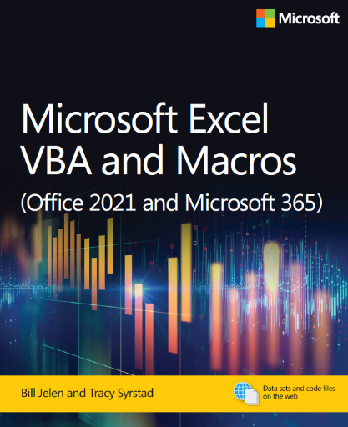
Microsoft Excel VBA and Macros (Office 2021 and Microsoft 365)
by Bill Jelen and Tracy Syrstad
ISBN 978-0-13-752152-4

Chapter 24 - Handling Errors

It is generally bad to give a program to a customer and have them experience a run-time error.
This chapter includes many techniques for handling errors.

